Step 4--IGM_Leuctra
Genus | Site | Sample.Date | Density | Individual.Mass | t | g | Bf | B_mean | p_int
 |  |  |  |  |  |  | N x W
Leuctra | EAS | 9/19/23 | 16.146393972 | 0.010928202479 | 44 | -0.011360923062 | 0.17645106262 | 0.84452364755 | 2.227624922

Leuctra | EAS | 10/22/23 | 32.292787944 | 0.0053765244828 | 33 | -0.021494080987 | 0.173622965 | 0.17503701381 | 0.34627521861 | Daily Growth | 0.059948397281

Leuctra | EAS | 11/14/23 | 37.674919268 | 0.02410983155 | 23 | 0.065242502041 | 0.90833595723 | 0.54097946111 | 0.74590958808

Leuctra | EAS | 12/13/23 | 10.764262648 | 0.021289338201 | 29 | -0.0042901142068 | 0.229164028 | 0.56874999261 | 0.98877386481

Leuctra | EAS | 2/5/24 | 21.528525296 | 0.011546410011 | 54 | -0.011330219007 | 0.24857718 | 0.238870604 | 0.77327513283

I didn't change anything in this sheet from when you've seen it before, just added it for context so you can see how the steps in the code came together for density and ind. mass in this sheet
Leuctra | EAS | 2/25/24 | 10.764262648 | 0.075519897793 | 20 | 0.093901080069 | 0.812916015 | 0.5307465975 | 0.63634815765

Leuctra | EAS | 3/30/24 | 28.704700395 | 0.056188648374 | 34 | -0.0086965122999 | 1.6128783172 | 1.2128971661 | 2.4721821999

Leuctra | EAS | 5/24/24 | 124.86544672 | 0.020219135495 | 55 | -0.018583368955 | 2.5246713858 | 2.0687748515 | 6.8210855175

Leuctra | EAS | 6/20/24 | 114.10118407 | 0.030593363564 | 27 | 0.015339024101 | 3.4907390073 | 3.0077051966 | 4.8682918627

Leuctra | EAS | 7/15/24 | 29.601722282 | 0.013305593018 | 25 | -0.033303945357 | 0.39386846933 | 1.9423037383 | 2.9109499036

Leuctra | EAS | 8/6/24 | 83.961248654 | 0.018015408974 | 22 | 0.013774680512 | 1.5125962325 | 0.9532323509 | 1.2571845368

Size-Freq Leuctra
Genus | Site | Length | Density (No./m2) | Individual Mass (mg) | No. Lost | Biomass (mg/m2) | Mass at Loss (mg) | Biomass Lost (mg/m2) | Times No. Size Classes
 |  |  | N | W | deltaN | N x W | avgW= W1 + W2/2 | avgW*deltaN | 9(avgW*deltaN)
Leuctra | EAS | 2 | 46.645138141 | 0.0054104455321 |  | 0.25237097925
 |  |  |  |  | -81.44958737 |  | 0.018834796284 | -1.5340863855 | -13.806777469
Leuctra | EAS | 3 | 128.09472551 | 0.032259147035 |  | 4.1322265847
 |  |  |  |  | 37.495514891 |  | 0.051140841566 | 1.9175521864 | 17.257969678
Leuctra | EAS | 4 | 90.599210621 | 0.070022536096 |  | 6.343986496
 |  |  |  |  | -103.69573018 |  | 0.13081328991 | -13.564779614 | -122.08301652
I didn't change anything in this sheet from when you've seen it before, just added it for context and to keep it easy for you to reference the daily growth
Leuctra | EAS | 5 | 194.2949408 | 0.19160404372 |  | 37.22769633
 |  |  |  |  | 40.007176175 |  | 0.18278142957 | 7.3125688545 | 65.81311969
Leuctra | EAS | 6 | 154.28776462 | 0.17395881543 |  | 26.839716769
 |  |  |  |  | 84.320057409 |  | 0.19238437649 | 16.221861671 | 145.99675503
Leuctra | EAS | 7 | 69.967707212 | 0.21080993755 |  | 14.749887988
 |  |  |  |  | 5.382131324 |  | 0.29420471328 | 1.583448403 | 14.251035627
Leuctra | EAS | 8 | 64.585575888 | 0.37759948901 |  | 24.387480453
 |  |  |  |  | 32.292787944 |  | 0.29252064751 | 9.4463072393 | 85.016765153
Leuctra | EAS | 9 | 32.292787944 | 0.207441806 |  | 6.698874252
 |  |  |  |  | 21.528525296 |  | 0.17260309724 | 3.715890145 | 33.443011305
Leuctra | EAS | 10 | 10.764262648 | 0.13776438847 |  | 1.482932061
 |  |  |  |  | 10.764262648 |  | 0.068882194233 | 0.7414660305 | 6.6731942745

 |  |  | Daily Growth | 0.059948397281
 |  |  |  |  | Biomass = | 122.11517191 |  | Production (uncorrected) = | 368.45185076

 |  |  |  |  | Cohort P/B = | 3.0172487578
 |  |  |  |  | Annual P/B = | 2.2629365683 |  | Annual Production = | 276.33888807
 |  |  |  |  |  |  |  | 1.3333333333

fun figures!
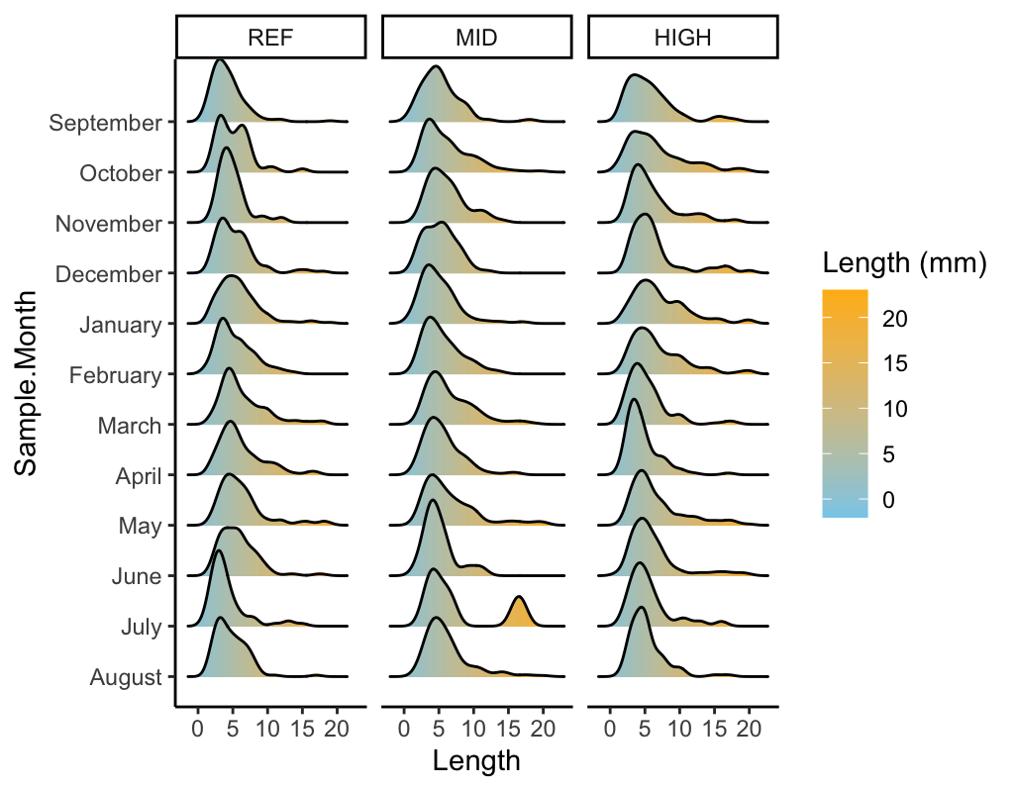
Leuctra, core sites only (EAS, FRY, RIC)
Not signifcant differences across levels but does seem like lengths are smaller in high to ref, which is interesting
salt subsidy
Also weird how many potention cohorts are puling out in mid
Stenonema, core sites only (EAS, FRY, RIC)
Not signficant between ref and mid, but get bigger from mid to ref

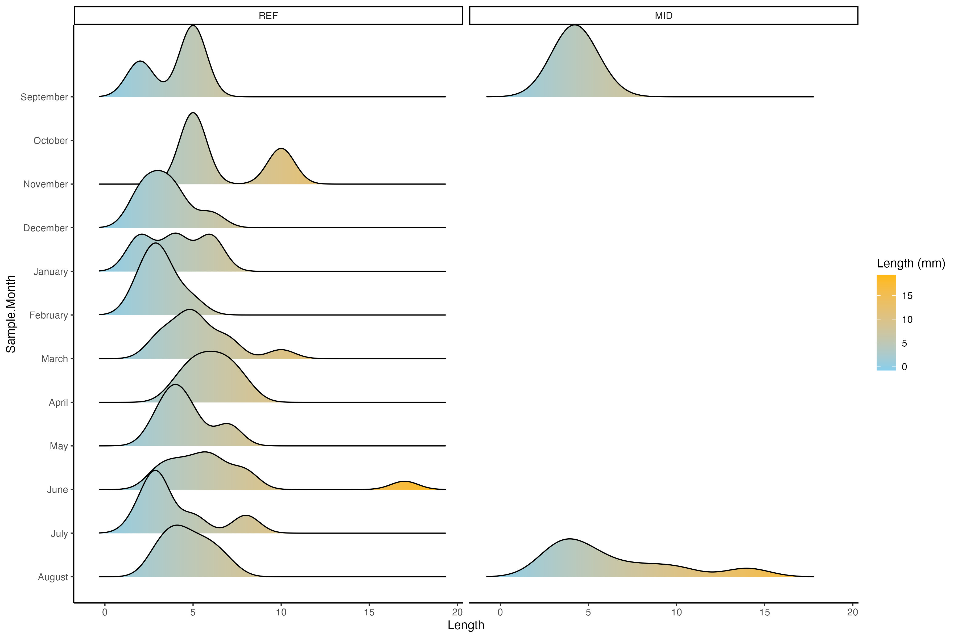

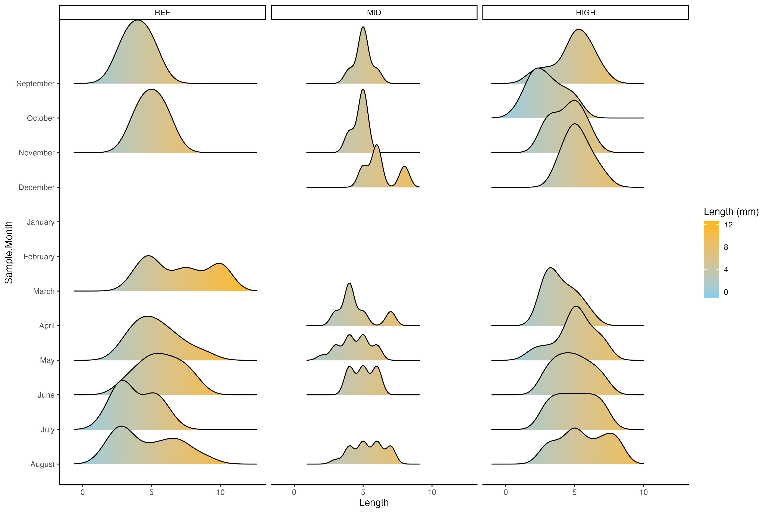

ALL TAXA, core sites only (EAS, FRY, RIC)
Statistically significant differences in length between ref and mid and ref and high!
This is cool! hard to see difference in graph alone

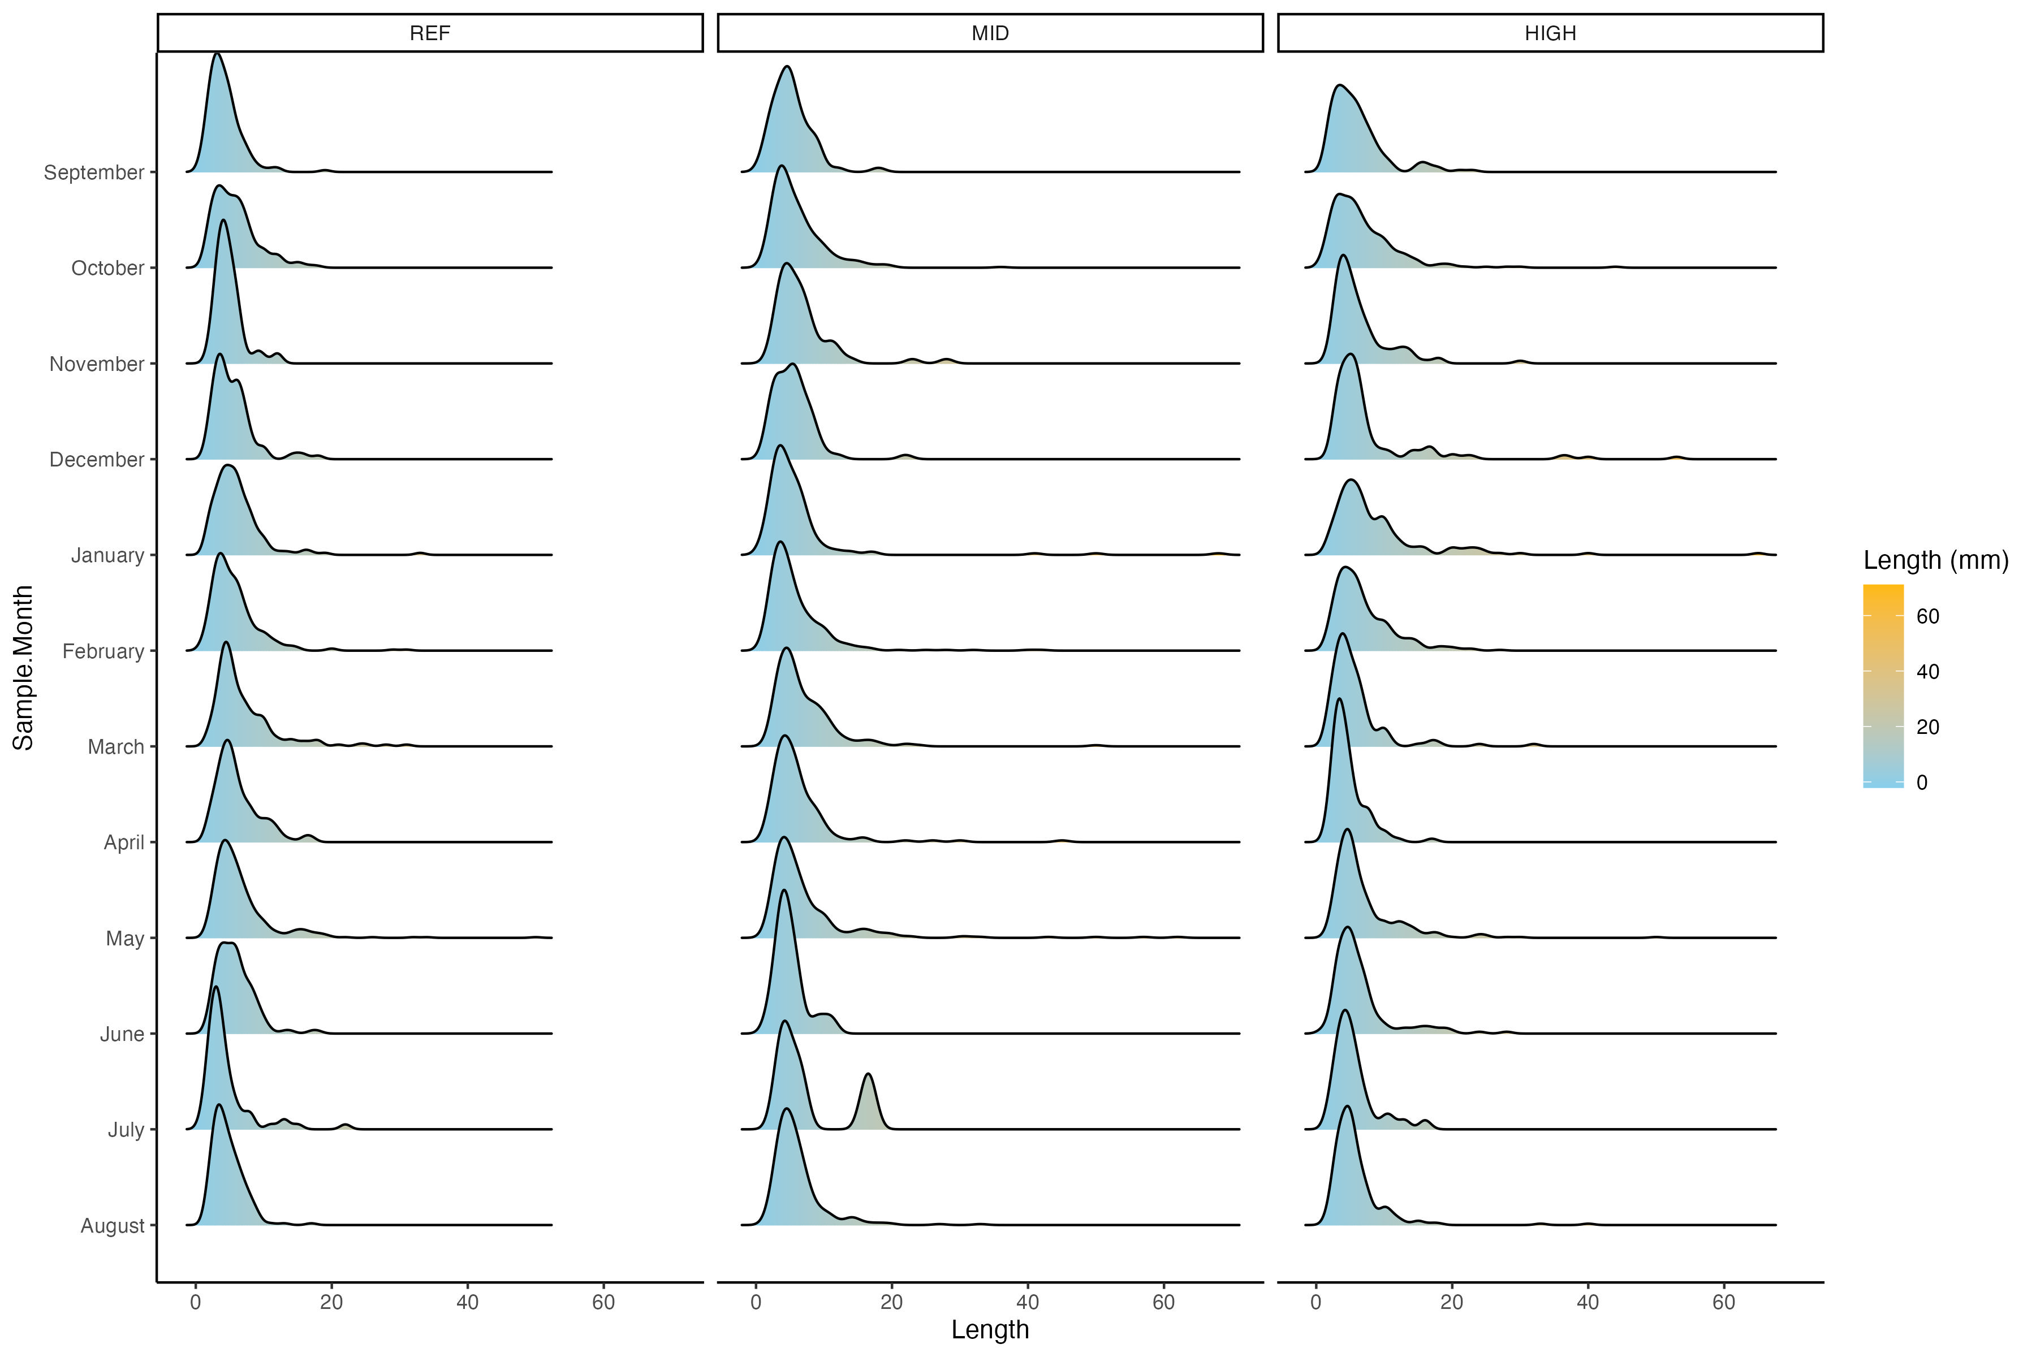

ALL TAXA <= 25 mm, core sites only (EAS, FRY, RIC)
Statistically significant differences in length between ref and mid and ref and high
This is cool! hard to see difference in graph alone
Bigger in ref

